Use_Case
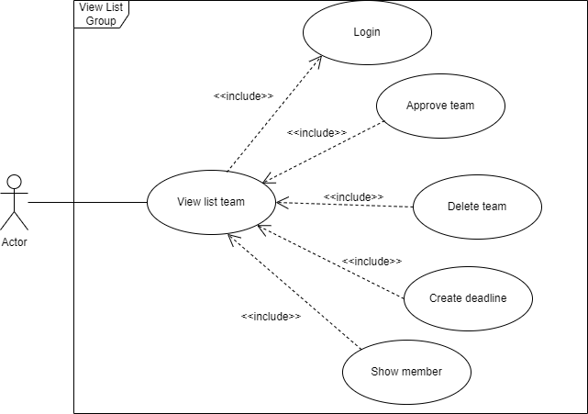
6.7.1 Màn hình hiển thị danh sách nhóm

Class_Diagram
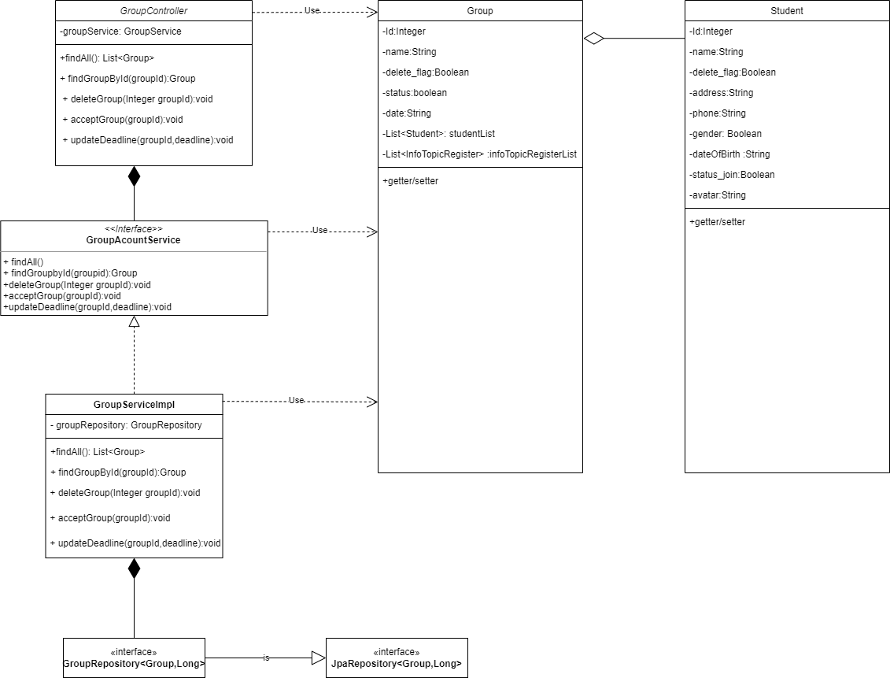
6.7 Màn hình hiển thị danh sách nhóm

Sequence_Diagram
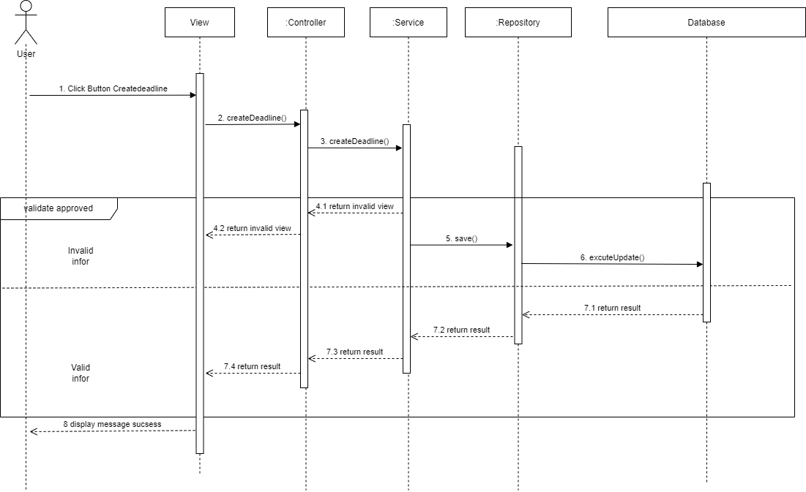
6.7.1 Màn hình hiển thị danh sách nhóm

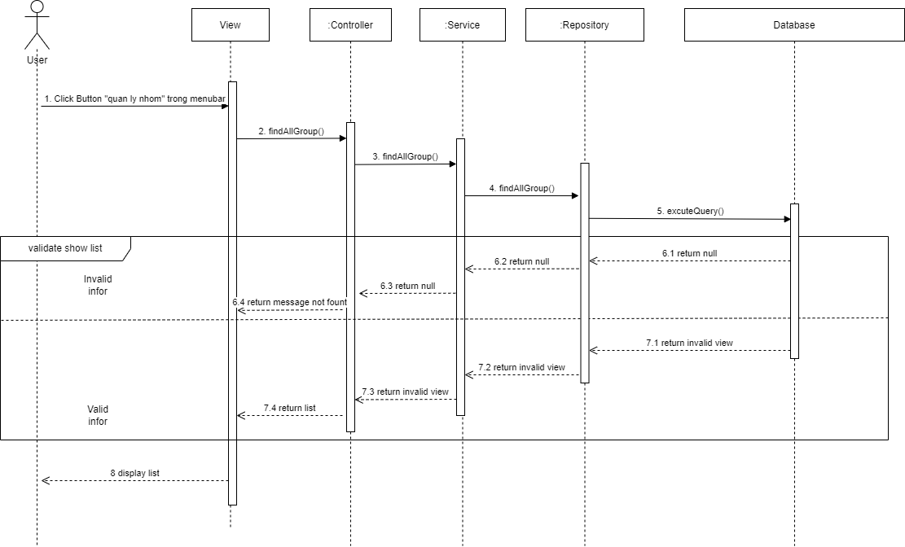

6.7.2 Màn hình duyệt nhóm

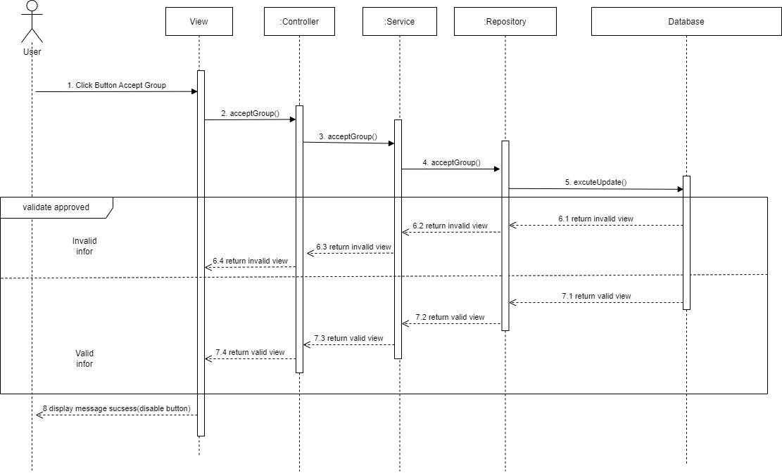

6.7.3 Màn hình xóa nhóm

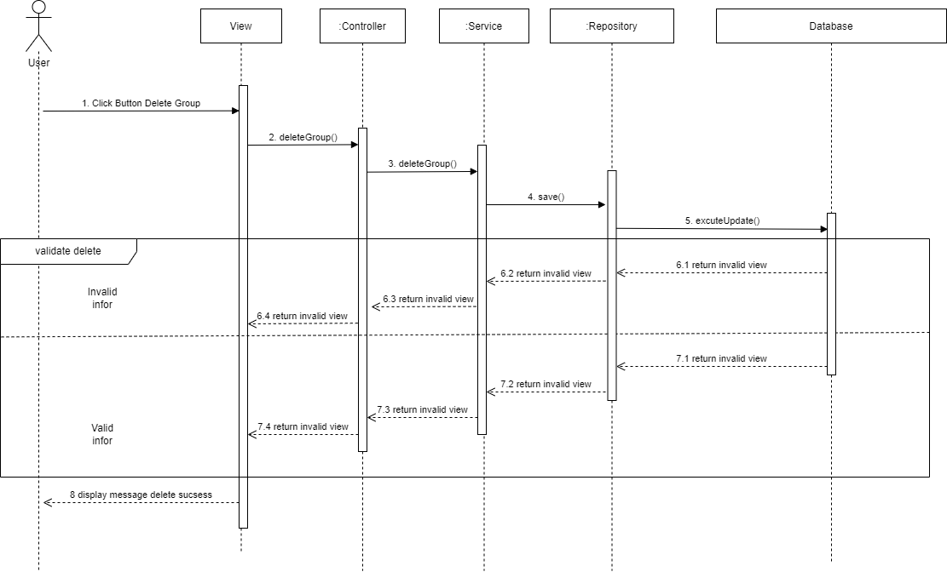

6.7.4 Màn hình tạo hạn chót nộp dự án

